State_Code_Name
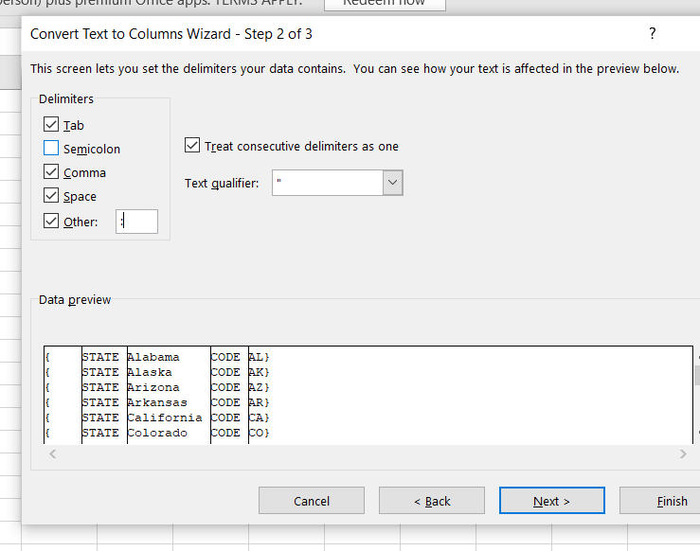
Src | STATE | CODE
{ "STATE": "Alabama", "CODE": "AL"} | Alabama | AL | 1 |  | 2 | removed { from 1st column using ctrl+"-"
{ "STATE": "Alaska", "CODE": "AK"} | Alaska | AK
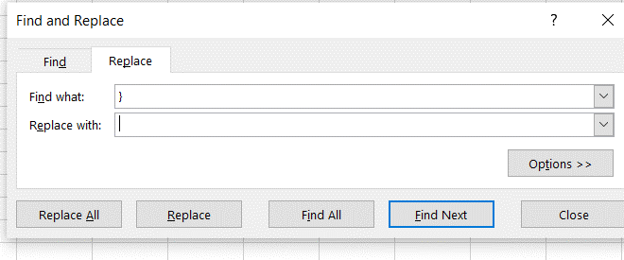
{ "STATE": "Arizona", "CODE": "AZ"} | Arizona | AZ |  |  | 3
{ "STATE": "Arkansas", "CODE": "AR"} | Arkansas | AR
{ "STATE": "California", "CODE": "CA"} | California | CA
{ "STATE": "Colorado", "CODE": "CO"} | Colorado | CO
{ "STATE": "Connecticut", "CODE": "CT"} | Connecticut | CT
{ "STATE": "Delaware", "CODE": "DE"} | Delaware | DE
{ "STATE": "District of Columbia", "CODE": "DC"} | District of Columbia | DC
{ "STATE": "Florida", "CODE": "FL"} | Florida | FL
{ "STATE": "Georgia", "CODE": "GA"} | Georgia | GA
{ "STATE": "Hawaii", "CODE": "HI"} | Hawaii | HI
{ "STATE": "Idaho", "CODE": "ID"} | Idaho | ID
{ "STATE": "Illinois", "CODE": "IL"} | Illinois | IL
{ "STATE": "Indiana", "CODE": "IN"} | Indiana | IN
{ "STATE": "Iowa", "CODE": "IA"} | Iowa | IA
{ "STATE": "Kansas", "CODE": "KS"} | Kansas | KS
{ "STATE": "Kentucky", "CODE": "KY"} | Kentucky | KY
{ "STATE": "Louisiana", "CODE": "LA"} | Louisiana | LA
{ "STATE": "Maine", "CODE": "ME"} | Maine | ME |  | OR
{ "STATE": "Montana", "CODE": "MT"} | Montana | MT
{ "STATE": "Nebraska", "CODE": "NE"} | Nebraska | NE | Data > From Table range(select range) > Power query editor > transform > Parse (JSON) > column dropdown (select columns) > File > close & load to existing worksheet > select cell to paste both columns
{ "STATE": "Nevada", "CODE": "NV"} | Nevada | NV
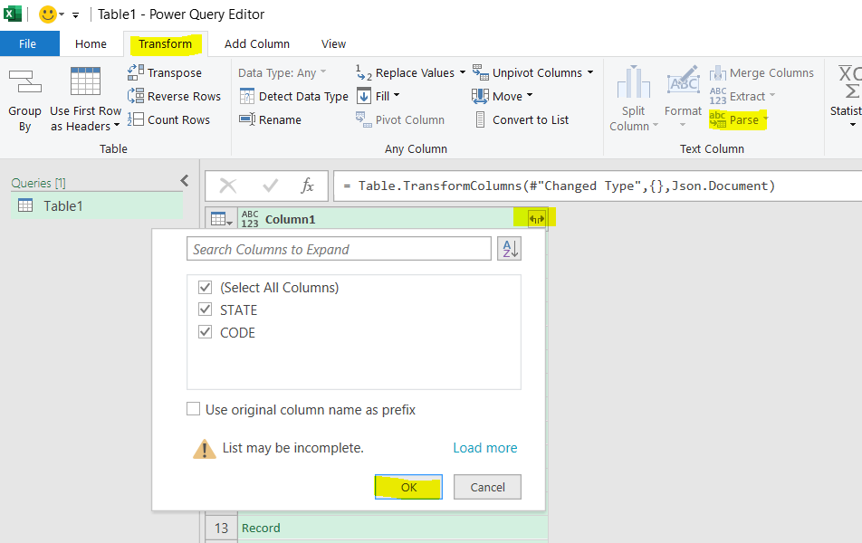
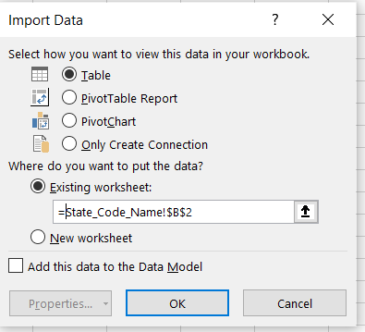
{ "STATE": "New Hampshire", "CODE": "NH"} | New Hampshire | NH
{ "STATE": "New Jersey", "CODE": "NJ"} | New Jersey | NJ
{ "STATE": "New Mexico", "CODE": "NM"} | New Mexico | NM
{ "STATE": "New York", "CODE": "NY"} | New York | NY
{ "STATE": "North Carolina", "CODE": "NC"} | North Carolina | NC
{ "STATE": "North Dakota", "CODE": "ND"} | North Dakota | ND
{ "STATE": "Ohio", "CODE": "OH"} | Ohio | OH
{ "STATE": "Oklahoma", "CODE": "OK"} | Oklahoma | OK
{ "STATE": "Oregon", "CODE": "OR"} | Oregon | OR
{ "STATE": "Maryland", "CODE": "MD"} | Maryland | MD
{ "STATE": "Massachusetts", "CODE": "MA"} | Massachusetts | MA
{ "STATE": "Michigan", "CODE": "MI"} | Michigan | MI
{ "STATE": "Minnesota", "CODE": "MN"} | Minnesota | MN
{ "STATE": "Mississippi", "CODE": "MS"} | Mississippi | MS
{ "STATE": "Missouri", "CODE": "MO"} | Missouri | MO
{ "STATE": "Pennsylvania", "CODE": "PA"} | Pennsylvania | PA
{ "STATE": "Rhode Island", "CODE": "RI"} | Rhode Island | RI
{ "STATE": "South Carolina", "CODE": "SC"} | South Carolina | SC
{ "STATE": "South Dakota", "CODE": "SD"} | South Dakota | SD
{ "STATE": "Tennessee", "CODE": "TN"} | Tennessee | TN
{ "STATE": "Texas", "CODE": "TX"} | Texas | TX
{ "STATE": "Utah", "CODE": "UT"} | Utah | UT
{ "STATE": "Vermont", "CODE": "VT"} | Vermont | VT
{ "STATE": "Virginia", "CODE": "VA"} | Virginia | VA
{ "STATE": "Washington", "CODE": "WA"} | Washington | WA
{ "STATE": "West Virginia", "CODE": "WV"} | West Virginia | WV
{ "STATE": "Wisconsin", "CODE": "WI"} | Wisconsin | WI
{ "STATE": "Wyoming", "CODE": "WY"} | Wyoming | WY

Report_Task1
1 |  | created separate columns named STATE and CODE (steps mentioned in State_Code_Name worksheet)
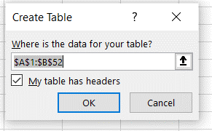
2 |  | Home > format as table > select the range > ok

3 |  | new column created in the worksheet Consumer_Complaints and named it State_Name

4 |  | State_Name column filled using INDEX and MATCH

5 |  | 157 |  | Used COUNTIF function

6 |  | State_Name not mapped to State_Code | #N/A

 |  | State_Code | Number of Complaints
 |  | AA | 1
 |  | AE | 5
 |  | AP | 4
 |  | AS | 1
 |  | GU | 1
 |  | MP | 1
 |  | PR | 26
 |  | VI | 8
 |  | (blank) | 110
 |  | Grand Total | 157

7 | a) | State_Code_Name worksheet is short of State names and their respective codes as compared to Consumer_complaints worksheet;
 | b) | State field in the Consumer_Complaints worksheet has some blank values and also some state codes those are missing in State_Code_Name sheet.
 | c) | Data validation can be applied on source to avoid blank cells on state column of consumer_complaints sheet.
 | d) | Full list of State codes with their names should be provided for analysis.

Report_Task4
1 | Top Five companies with max. no. of complaints |  | 3 |  | Monthly trends of the number of complaints in form of line chart

 | Company | No. of complaints |  |  | Number of complaints | Years
 | Bank of America | 1066 |  |  | Months | 2013 | 2014 | 2015 | 2016
 | Wells Fargo & Company | 947 |  |  | Jan | 196 | 283 | 347 | 362
 | JPMorgan Chase & Co. | 877 |  |  | Feb | 194 | 280 | 341 | 349
 | Citibank | 764 |  |  | Mar | 210 | 324 | 336 | 404
 | Equifax | 531 |  |  | Apr | 197 | 299 | 374 | 386
 | Grand Total | 4185 |  |  | May | 183 | 302 | 348 | 357
 |  |  |  |  | Jun | 185 | 280 | 373 | 418
 | created pivot and filtered by Company using Value filter > Top 10 > edited 5 |  |  |  | Jul | 206 | 296 | 419 | 421
 |  |  |  |  | Aug | 258 | 308 | 399 | 384
 |  |  |  |  | Sep | 223 | 272 | 392 | 214
2 | Top five issues with max. no. of complaints |  |  |  | Oct | 241 | 335 | 446 | 153
 |  |  |  |  | Nov | 217 | 240 | 309 | 99
 | Issues | No. of complaints |  |  | Dec | 187 | 253 | 289 | 111
 | Loan servicing, payments, escrow account | 2354 |  |  | Grand Total | 2497 | 3472 | 4373 | 3658
 | Account opening, closing, or management | 1047
 | Loan modification,collection,foreclosure | 883
 | Communication tactics | 814
 | Deposits and withdrawals | 618 |  | a). | created summary table using YEAR, date received, count of complaint ID
 | Grand Total | 5716 |  | b). | changed color of series wrt Year by right clicking on plot area.

 | created pivot and filtered by Issues using Value filter > Top 10 > edited 5

Report_Task5
Monthly trend of the no. of complaints by year
 | 2013 | 2014 | 2015 | 2016
Jan | 196 | 283 | 347 | 362
Feb | 194 | 280 | 341 | 349
Mar | 210 | 324 | 336 | 404
Apr | 197 | 299 | 374 | 386
May | 183 | 302 | 348 | 357
Jun | 185 | 280 | 373 | 418
Jul | 206 | 296 | 419 | 421
Aug | 258 | 308 | 399 | 384
Sep | 223 | 272 | 392 | 214
Oct | 241 | 335 | 446 | 153
Nov | 217 | 240 | 309 | 99
Dec | 187 | 253 | 289 | 111
 | Total
Email | 12.60%
Fax | 0.87%
Phone | 7.72%
Postal mail | 4.04%
Web | 74.76%
Average resolution time
 | Average of Resolution Time (in days) | YOY change(%)
2013 | 11.67
2014 | 8.52 | -26.98%
2015 | 6.74 | -20.87%
2016 | 6.52 | -3.39%
Proportion of Complaints registered by year
 | Number of complaints | YOY change in numbers
2013 | 17.84%
2014 | 24.80% | 39.05%
2015 | 31.24% | 25.95%
2016 | 26.13% | -16.35%

Complaints - timely responded
 | No. of complaints | YOY change in numbers
2013 | 2486
2014 | 3424 | 37.73%
2015 | 4269 | 24.68%
2016 | 3596 | -15.76%
Pateto Analysis
 | Frequency of complaints | Cumulative Frequency %
Mortgage | 3346 | 23.90%
Debt collection | 2752 | 43.56%
Bank account or service | 2429 | 60.91%
Credit card | 2136 | 76.16%
Credit reporting | 1311 | 85.53%
Consumer Loan | 877 | 91.79%
Student loan | 722 | 96.95%
Payday loan | 179 | 98.23%
Money transfers | 131 | 99.16%
Prepaid card | 92 | 99.82%
Other financial service | 24 | 99.99%
Virtual currency | 1 | 100.00%
Proportion of complaints by different products
 | Total
Virtual currency | 0.01%
Other financial service | 0.17%
Prepaid card | 0.66%
Money transfers | 0.94%
Payday loan | 1.28%
Student loan | 5.16%
Consumer Loan | 6.26%
Credit reporting | 9.36%
Credit card | 15.26%
Bank account or service | 17.35%
Debt collection | 19.66%
Mortgage | 23.90%

